AUC update
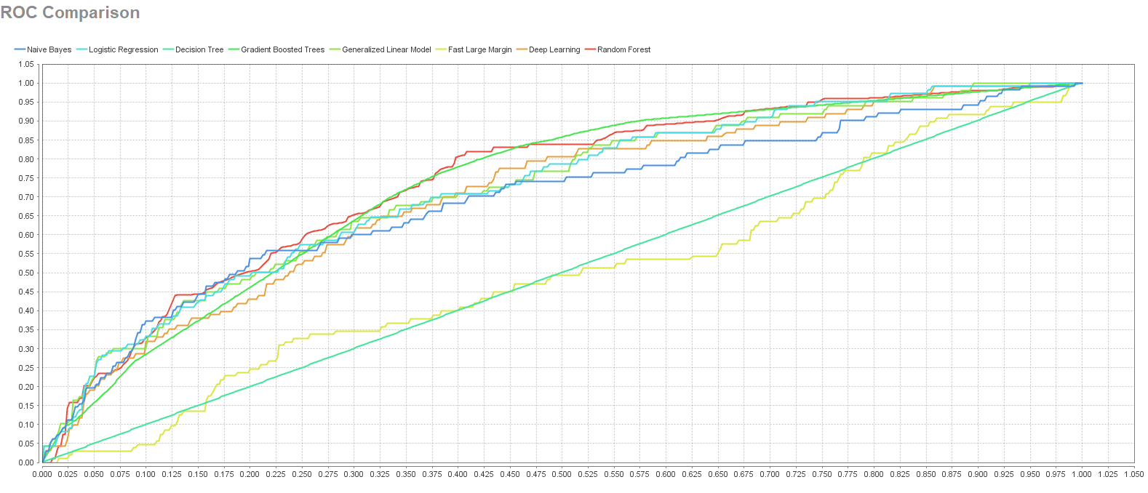
Model | AUC | Standard Deviation
Naive Bayes | 0.6928216077 | 0.054297728697
Generalized Linear Model | 0.72029809233 | 0.053031510733
Logistic Regression | 0.72155206605 | 0.051236777117
Fast Large Margin | 0.49392509103 | 0.088969943689
Deep Learning | 0.70592013752 | 0.039386390623
Decision Tree | 0.50128621327 | 0.0021022005283
Random Forest | 0.74378243416 | 0.046663002546
Gradient Boosted Trees | 0.7321160457 | 0.048587844025

